Instructions
Department of Administrative Services IT Technology Matrix Instructions

From the "Supplier Matrix" Tab you are able to view a list of the current suppliers and contracts that provide IT products and services.
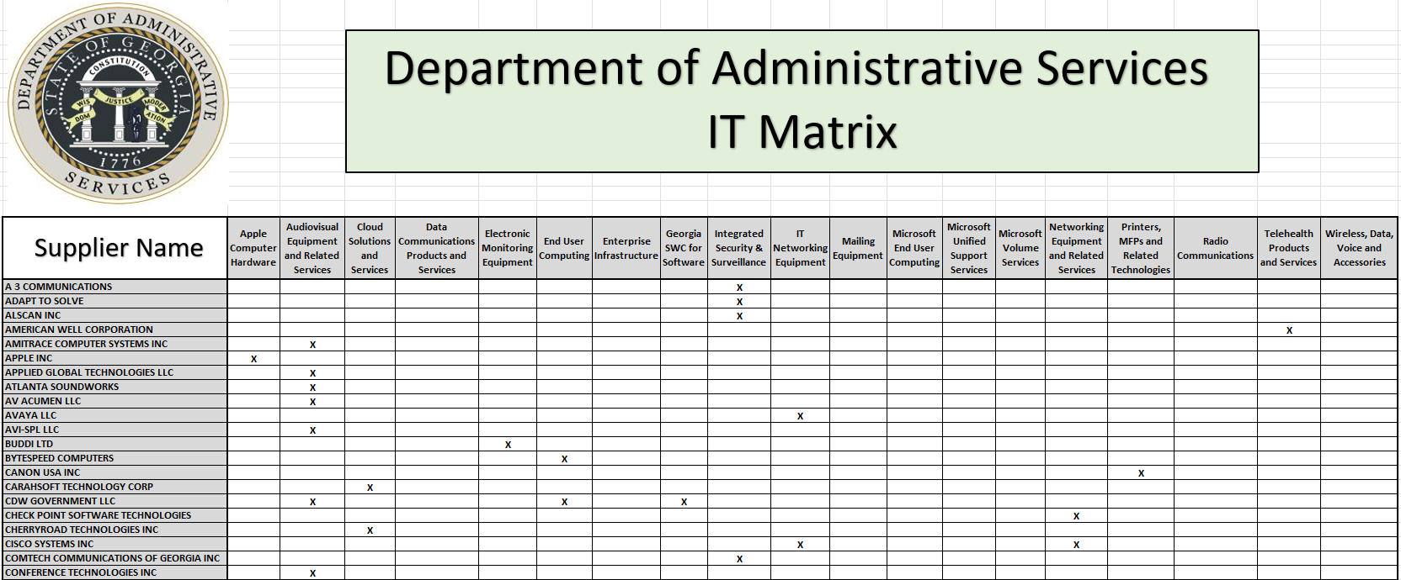

There are tabs that contain a listing of a category and related information including contract number, supplier, contract manager, expiration date and whether the contract has approved resellers.

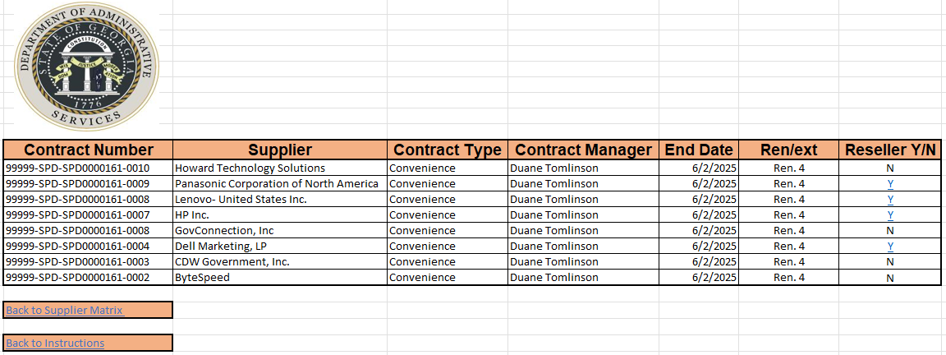

In the Reseller column you'll be able to determine if the contract has authorized resellers. If yes, click on the Y to see a listing of those resellers | Within the individual tabs is a hyperlink that will take you back to the supplier matrix or the instructions.
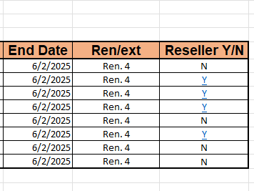

Supplier Matrix
Department of Administrative Services IT Matrix

Supplier Name
 | Apple Computer Hardware | Audiovisual Equipment and Related Services | Cloud Solutions and Services | Data Communications Products and Services | Electronic Monitoring Equipment | End User Computing | Enterprise Infrastructure | Georgia SWC for Software | Integrated Security & Surveillance | IT Networking Equipment | Mailing Equipment | Microsoft End User Computing | Microsoft Unified Support Services | Microsoft Volume Services | Networking Equipment and Related Services | Printers, MFPs and Related Technologies | Radio Communications | Telehealth Products and Services | Wireless, Data, Voice and Accessories
A 3 COMMUNICATIONS |  |  |  |  |  |  |  |  | X
ADAPT TO SOLVE |  |  |  |  |  |  |  |  | X
ALSCAN INC |  |  |  |  |  |  |  |  | X
AMERICAN WELL CORPORATION |  |  |  |  |  |  |  |  |  |  |  |  |  |  |  |  |  | X
AMITRACE COMPUTER SYSTEMS INC |  | X
APPLE INC | X
APPLIED GLOBAL TECHNOLOGIES LLC |  | X
ATLANTA SOUNDWORKS |  | X
AV ACUMEN LLC |  | X
AVAYA LLC |  |  |  |  |  |  |  |  |  | X
AVI-SPL LLC |  | X
BUDDI LTD |  |  |  |  | X
BYTESPEED COMPUTERS |  |  |  |  |  | X
CANON USA INC |  |  |  |  |  |  |  |  |  |  |  |  |  |  |  | X
CARAHSOFT TECHNOLOGY CORP |  |  | X
CDW GOVERNMENT LLC |  | X |  |  |  | X |  | X
CHECK POINT SOFTWARE TECHNOLOGIES |  |  |  |  |  |  |  |  |  |  |  |  |  |  | X
CHERRYROAD TECHNOLOGIES INC |  |  | X
CISCO SYSTEMS INC |  |  |  |  |  |  |  |  |  | X |  |  |  |  | X
COMTECH COMMUNICATIONS OF GEORGIA INC |  |  |  |  |  |  |  |  | X
CONFERENCE TECHNOLOGIES INC |  | X
COOPERCRAFT COMMUNICATIONS INC |  |  |  |  |  |  |  |  | X
CRADLEPOINT INC |  |  |  |  |  |  |  |  |  |  |  |  |  |  | X
DELL MARKETING LP |  |  |  |  |  | X | X | X
DG INVESTMENT INTERMEDIATE HOLDINGS 2 |  |  |  |  |  |  |  |  | X
DUSOUL COMPANY INC |  | X
EMC CORPORATION |  |  |  |  |  |  | X
EXTREME NETWORKS INC |  |  |  |  |  |  |  |  |  |  |  |  |  |  | X
F5 INC |  |  |  |  |  |  |  |  |  |  |  |  |  |  | X
FORTINET |  |  |  |  |  |  |  |  |  |  |  |  |  |  | X
GC&E SYSTEMS GROUP INC |  |  |  |  |  |  |  |  | X
GOV CONNECTION INC |  |  |  |  |  | X
HEWLETT PACKARD ENTERPRISE COMPANY |  |  |  |  |  |  | X |  |  |  |  |  |  |  | X
HOWARD INDUSTRIES INC |  | X |  |  |  | X
HP INC |  |  |  |  |  | X
IBM CORPORATION |  |  |  |  |  |  |  | X
INTER TECHNOLOGIES CORPORATION |  | X
JUNIPER NETWORKS |  |  |  |  |  |  |  |  |  |  |  |  |  |  | X
L3HARRIS TECHNOLOGIES INC |  |  |  |  |  |  |  |  |  |  |  |  |  |  |  |  | X
LENOVO - UNITED STATES INC |  |  |  |  |  | X | X
M C DEAN INC |  |  |  |  |  |  |  |  | X
MICROSOFT CORPORATION |  |  |  |  |  |  |  |  |  |  |  | X | X | X
MOTOROLA SOLUTIONS INC |  |  |  |  |  |  |  |  | X |  |  |  |  |  |  |  | X
NET APP INC |  |  |  |  |  |  | X
NETPLANNER SYSTEMS INC |  | X |  |  |  |  |  |  | X
NEXTGEN SECURITY |  |  |  |  |  |  |  |  | X
ONE DIVERSIFIED LLC |  | X
PALO ALTO NETWORKS INC |  |  |  | X
PANASONIC CORPORATION OF NORTH AMERICA |  |  |  |  |  | X
PARAMOUNT SOFTWARE SOLUTIONS INC |  |  |  |  |  |  | X
PC SPECIALISTS INC |  |  |  |  |  |  |  | X
PITNEY BOWES INC |  |  |  |  |  |  |  |  |  |  | X
PRESIDIO NETWORKED SOLUTIONS |  |  |  |  |  |  |  | X
PREVENTATIVE MEASURES (JETDOC INC) |  |  |  |  |  |  |  |  |  |  |  |  |  |  |  |  |  | X
PROLOGIC ITS LLC |  | X
PURE STORAGE INC |  |  |  |  |  |  | X
QUADIENT INC |  |  |  |  |  |  |  |  |  |  | X
QUEST MEDIA & SUPPLIES INC |  |  | X
RICOH USA INC |  |  |  |  |  |  |  |  |  |  |  |  |  |  |  | X
RUCKUS WIRELESS INC |  |  |  |  |  |  |  |  |  |  |  |  |  |  | X
S&L INTEGRATED SYSTEMS LLC |  | X
SHARP ELECTRONICS CORPORATION |  |  |  |  |  |  |  |  |  |  |  |  |  |  |  | X
SHI INTERNATIONAL CORP |  |  | X |  |  |  |  | X
SMARTRONIX LLC |  |  | X
SOUTHERN COMPUTER WAREHOUSE INC |  |  |  |  |  |  |  |  | X
SUMMIT SOLUTIONZ INC |  | X
SWITCH GLOBAL LLC |  | X
TECHVENTURES LLC |  | X
TOSHIBA AMERICA BUSINESS SOLUTIONS INC |  |  |  |  |  |  |  |  |  |  |  |  |  |  |  | X
UNISYS CORPORATION |  |  | X
VERIZON COMMUNICATIONS INC |  |  |  |  |  |  |  |  |  |  |  |  |  |  |  |  |  |  | X
VISIONWORX LLC |  | X
XEROX CORPORATION |  |  |  |  |  |  |  |  |  |  |  |  |  |  |  | X

